Code Testing
Qgs (MMscf)
Time (years) | Modified 3D-pEDFM | Traditional 3D-pEDFM | OMO Diffusion | No_Diffusion (Base)
0.00010694729637 | 0 | 0 | 0 | 0
0.00021389459274 | 2.65E-17 | 2.65E-17 | 2.65E-17 | 2.65E-17
0.00042778918549 | 7.94E-17 | 7.94E-17 | 7.94E-17 | 7.94E-17
0.00085557837098 | 1.85E-16 | 1.85E-16 | 1.85E-16 | 1.85E-16
0.001711156742 | 3.97E-16 | 3.97E-16 | 3.97E-16 | 3.97E-16
0.0034223134839 | 8.20E-16 | 8.20E-16 | 8.20E-16 | 8.20E-16
Simulation Domain: a vertical HF and 2 intersecting NFs (yellow cells).
Reservoir: primary gas system
Diffuion Coefficient: Maxwell-Stefan (MS) [static implementation]
Diffusion Model: Dusty-Gas Model
0.0068446269678 | 1.67E-15 | 1.67E-15 | 1.67E-15 | 1.67E-15
0.013689253936 | 3.36E-15 | 3.36E-15 | 3.36E-15 | 3.36E-15
0.027378507871 | 6.75E-15 | 6.75E-15 | 6.75E-15 | 6.75E-15
0.041067761807 | 1.01E-14 | 1.01E-14 | 1.01E-14 | 1.01E-14
0.054757015743 | 1.35E-14 | 1.35E-14 | 1.35E-14 | 1.35E-14
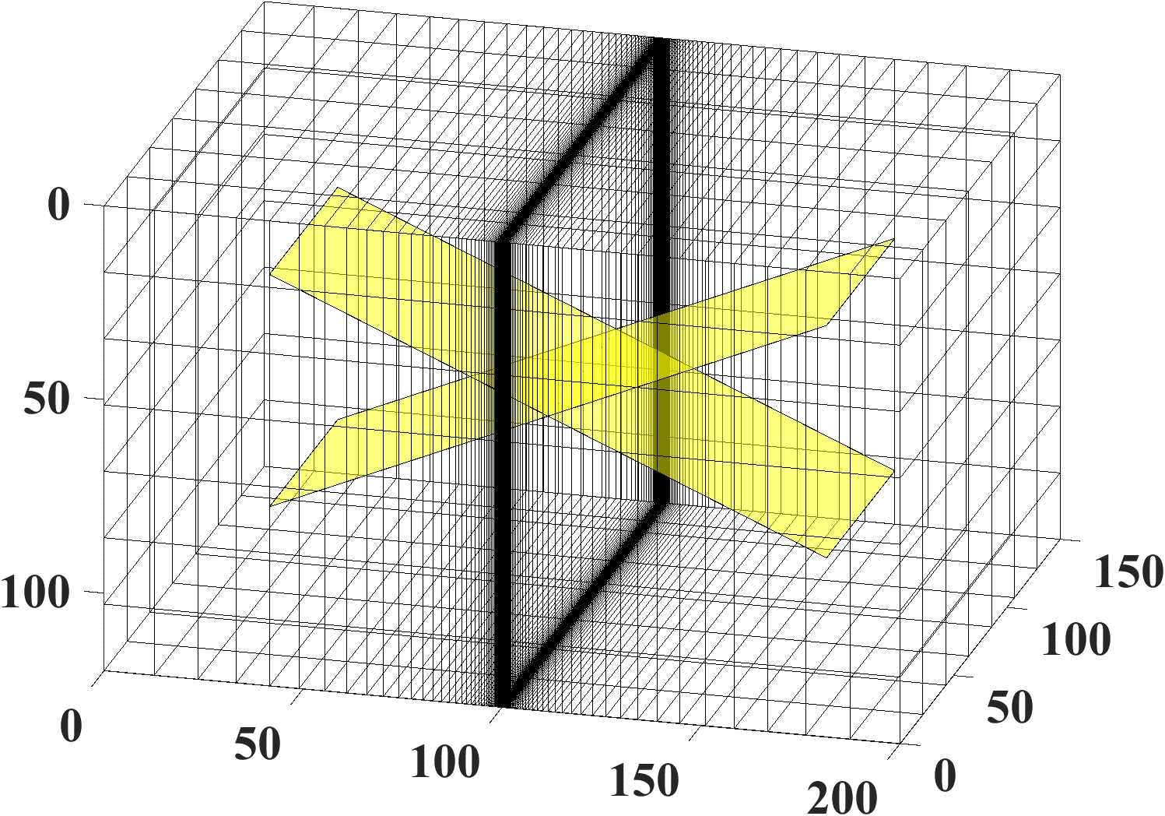
+9%
0.068446269678 | 1.69E-14 | 1.69E-14 | 1.69E-14 | 1.69E-14
0.082135523614 | 2.03E-14 | 2.03E-14 | 2.03E-14 | 2.03E-14
0.09582477755 | 2.37E-14 | 2.37E-14 | 2.37E-14 | 2.37E-14
0.10951403149 | 2.71E-14 | 2.71E-14 | 2.71E-14 | 2.71E-14
0.10951653806 | 0.0019997165294 | 0.0019996412489 | 0.0020010309013 | 0.0019989395931
0.10951904464 | 0.0058572900692 | 0.0058570346861 | 0.0058623488602 | 0.0058543364893
0.10952405779 | 0.013056433663 | 0.013055664382 | 0.013074158513 | 0.01304636866
0.1095340841 | 0.026577960263 | 0.02657570657 | 0.026633577452 | 0.026547778411
0.10955413672 | 0.052013234806 | 0.05200673036 | 0.05217259645 | 0.051932522875
0.10959424196 | 0.099721446692 | 0.099702786424 | 0.10015121332 | 0.099524143916
0.10967445243 | 0.18849510154 | 0.18844130586 | 0.18961659253 | 0.18804321655
0.10983487337 | 0.35141943227 | 0.35126219278 | 0.35431015175 | 0.35042851568
0.11015571526 | 0.64476877677 | 0.64430112609 | 0.65220468383 | 0.6426495672
0.11079739904 | 1.160833084 | 1.1594167319 | 1.1799218131 | 1.1563329292
0.1120807666 | 2.0433363848 | 2.0389599297 | 2.0920037349 | 2.0335894927
0.11464750171 | 3.4999994846 | 3.486365801 | 3.6222969768 | 3.4777133137
0.11978097194 | 5.8141411541 | 5.7729436093 | 6.1127256429 | 5.7600183734
0.13004791239 | 9.3799469958 | 9.2641725078 | 10.075220433 | 9.2460153572
0.15058179329 | 14.786507556 | 14.489556717 | 16.311371159 | 14.465068236
0.1916495551 | 22.944468056 | 22.245795079 | 26.08926071 | 22.213491505
0.27378507871 | 35.261468045 | 33.730150443 | 41.392786569 | 33.687849438
0.35592060233 | 45.013205047 | 42.653946666 | 53.842957234 | 42.604574115
0.43805612594 | 53.394570306 | 50.226118618 | 64.697024313 | 50.17098951
0.52019164956 | 60.909196672 | 56.954150249 | 74.502086845 | 56.89399456
0.60232717317 | 67.816274782 | 63.098227269 | 83.547777331 | 63.033509284
0.68446269678 | 74.267166048 | 68.809609546 | 92.007770768 | 68.740654114
0.7665982204 | 80.358296892 | 74.18414316 | 99.995517576 | 74.111193833
0.84873374401 | 86.155142584 | 79.28651086 | 107.58989713 | 79.209759775
0.93086926762 | 91.704394655 | 84.162531153 | 114.84842675 | 84.082135727
1.0130047912 | 97.040675178 | 88.845938721 | 121.81465271 | 88.762031609
1.0951403149 | 102.1904928 | 93.362370547 | 128.52256157 | 93.275065912
1.1772758385 | 107.1746954 | 97.73183239 | 134.99935082 | 97.641230041
1.2594113621 | 112.01005524 | 101.97029041 | 141.2672455 | 101.87647868
1.3415468857 | 116.71033031 | 106.09073504 | 147.34473205 | 105.99379286
1.4236824093 | 121.28699667 | 110.10391371 | 153.24742172 | 110.00391215
1.5058179329 | 125.74976721 | 114.01884888 | 158.9886707 | 113.91585226
1.5879534565 | 130.10696769 | 117.84321261 | 164.58003601 | 117.7372794
1.6700889802 | 134.36581492 | 121.58360302 | 170.03161725 | 121.47478655
1.7522245038 | 138.5326263 | 125.24575192 | 175.35231743 | 125.134101
1.8343600274 | 142.61298027 | 128.83468344 | 180.55004521 | 128.72024278
1.916495551 | 146.61184098 | 132.35483681 | 185.63187401 | 132.23764747
1.9986310746 | 150.53365644 | 135.81016277 | 190.60416894 | 135.69026252
2.0807665982 | 154.38243684 | 139.20420023 | 195.4726891 | 139.08162381
2.1629021218 | 158.16181769 | 142.54013776 | 200.24267084 | 142.41491715
2.2450376454 | 161.87511123 | 145.82086352 | 204.91889642 | 145.69302822
2.3271731691 | 165.52534877 | 149.04900613 | 209.50575113 | 148.91858337
2.4093086927 | 169.11531585 | 152.2269686 | 214.007271 | 152.09398346
2.4914442163 | 172.64758162 | 155.35695642 | 218.42718305 | 155.22143204
2.5735797399 | 176.12452372 | 158.44100124 | 222.76893974 | 158.30295897
2.6557152635 | 179.54834931 | 161.48098095 | 227.03574819 | 161.34044041
2.7378507871 | 182.92111318 | 164.47863659 | 231.23059554 | 164.33561587
2.8199863107 | 186.24473324 | 167.43558701 | 235.35627085 | 167.29010277
2.9021218344 | 189.52100395 | 170.35334141 | 239.41538405 | 170.20540894
2.984257358 | 192.75160805 | 173.2333102 | 243.41038265 | 173.08294359
3.0663928816 | 195.93812678 | 176.07681455 | 247.34356625 | 175.9240267
3.1485284052 | 199.08204887 | 178.88509458 | 251.21709963 | 178.72989734
3.2306639288 | 202.18477851 | 181.65931674 | 255.03302406 | 181.50172095
3.3127994524 | 205.24764236 | 184.40058016 | 258.7932675 | 184.24059571
3.394934976 | 208.27189581 | 187.10992239 | 262.49965367 | 186.94755829
3.4770704997 | 211.2587286 | 189.78832442 | 266.15391014 | 189.62358886
3.5592060233 | 214.20926982 | 192.43671524 | 269.75767566 | 192.26961562
3.6413415469 | 217.12459238 | 195.05597584 | 273.3125067 | 194.88651884
3.7234770705 | 220.00571714 | 197.64694284 | 276.81988339 | 197.47513446
3.8056125941 | 222.85361651 | 200.21041179 | 280.28121486 | 200.03625738
3.8877481177 | 225.66921783 | 202.74714011 | 283.69784415 | 202.5706444
3.9698836413 | 228.45340636 | 205.25784972 | 287.07105261 | 205.0790169
4.052019165 | 231.20702807 | 207.74322952 | 290.40206394 | 207.56206323
4.1341546886 | 233.93089214 | 210.20393759 | 293.69204792 | 210.02044096
4.2162902122 | 236.62577324 | 212.64060316 | 296.94212375 | 212.45477885
4.2984257358 | 239.29241368 | 215.05382849 | 300.15336315 | 214.86567872
4.3805612594 | 241.93152533 | 217.44419055 | 303.32679328 | 217.2537171
4.462696783 | 244.54379144 | 219.81224254 | 306.46339927 | 219.61944682
4.5448323066 | 247.12986822 | 222.15851536 | 309.56412673 | 221.96339837
4.6269678303 | 249.69038644 | 224.48351886 | 312.62988391 | 224.28608126
4.7091033539 | 252.22595278 | 226.78774309 | 315.66154386 | 226.58798521
4.7912388775 | 254.73715117 | 229.0716594 | 318.65994628 | 228.86958126
4.8733744011 | 257.22454399 | 231.33572149 | 321.62589934 | 231.1313228
4.9555099247 | 259.68867321 | 233.58036633 | 324.56018132 | 233.37364652
5.0376454483 | 262.13006141 | 235.80601508 | 327.46354218 | 235.59697334
5.1197809719 | 264.5492128 | 238.01307394 | 330.33670496 | 237.80170917
5.2019164956 | 266.94661409 | 240.20193484 | 333.18036719 | 239.98824574
5.2840520192 | 269.32273537 | 242.37297624 | 335.99520205 | 242.15696128
5.3661875428 | 271.67803091 | 244.52656377 | 338.78185963 | 244.3082212
5.4483230664 | 274.01293989 | 246.66305083 | 341.540968 | 246.44237872
5.53045859 | 276.32788711 | 248.78277922 | 344.27313423 | 248.55977545
5.6125941136 | 278.62328368 | 250.88607966 | 346.97894537 | 250.66074192
5.6947296372 | 280.89952756 | 252.9732723 | 349.65896937 | 252.74559814
5.7768651608 | 283.15700424 | 255.04466722 | 352.31375591 | 254.81465403
5.8590006845 | 285.3960872 | 257.10056489 | 354.94383724 | 256.86820991
5.9411362081 | 287.6171385 | 259.14125657 | 357.5497289 | 258.90655691
6.0232717317 | 289.82050921 | 261.16702473 | 360.13193049 | 260.92997737
6.1054072553 | 292.0065399 | 263.17814342 | 362.69092629 | 262.93874523
6.1875427789 | 294.1755611 | 265.17487864 | 365.22718595 | 264.93312638
6.2696783025 | 296.32789363 | 267.15748866 | 367.74116504 | 266.91337897
6.3518138261 | 298.46384909 | 269.12622436 | 370.23330567 | 268.87975379
6.4339493498 | 300.58373014 | 271.08132949 | 372.70403703 | 270.83249452
6.5160848734 | 302.68783094 | 273.02304102 | 375.15377586 | 272.77183803
6.598220397 | 304.77643738 | 274.95158934 | 377.58292699 | 274.69801463
6.6803559206 | 306.84982749 | 276.86719857 | 379.99188375 | 276.61124838
6.7624914442 | 308.90827168 | 278.77008678 | 382.38102848 | 278.51175727
6.8446269678 | 310.95203303 | 280.66046621 | 384.75073286 | 280.3997535
6.9267624914 | 312.98136761 | 282.53854351 | 387.1013584 | 282.27544364
7.0088980151 | 314.99652466 | 284.40451993 | 389.43325673 | 284.13902892
7.0910335387 | 316.99774691 | 286.25859155 | 391.74677003 | 285.99070534
7.1731690623 | 318.98527076 | 288.10094942 | 394.04223133 | 287.83066393
7.2553045859 | 320.95932655 | 289.93177977 | 396.31996485 | 289.65909088
7.3374401095 | 322.92013872 | 291.75126419 | 398.58028634 | 291.47616773
7.4195756331 | 324.86792605 | 293.55957975 | 400.82350332 | 293.28207155
7.5017111567 | 326.80290186 | 295.35689922 | 403.04991542 | 295.07697505
7.5838466804 | 328.72527418 | 297.14339115 | 405.25981462 | 296.86104678
7.665982204 | 330.63524591 | 298.91922006 | 407.4534855 | 298.63445124
7.7481177276 | 332.53301502 | 300.68454656 | 409.63120554 | 300.39734901
7.8302532512 | 334.4187747 | 302.43952748 | 411.79324531 | 302.14989691
7.9123887748 | 336.29271354 | 304.18431597 | 413.93986871 | 303.8922481
7.9945242984 | 338.15501563 | 305.91906169 | 416.0713332 | 305.6245522
8.076659822 | 340.00586073 | 307.64391082 | 418.18788998 | 307.3469554
8.1587953457 | 341.84542443 | 309.35900627 | 420.28978424 | 309.05960061
8.2409308693 | 343.67387823 | 311.0644877 | 422.37725529 | 310.76262748
8.3230663929 | 345.49138973 | 312.76049168 | 424.4505368 | 312.4561726
8.4052019165 | 347.2981227 | 314.44715177 | 426.50985696 | 314.14036951
8.4873374401 | 349.0942372 | 316.1245986 | 428.55543861 | 315.81534885
8.5694729637 | 350.87988972 | 317.79295995 | 430.58749948 | 317.48123842
8.6516084873 | 352.65523328 | 319.45236086 | 432.60625226 | 319.13816326
8.733744011 | 354.42041751 | 321.10292371 | 434.61190484 | 320.78624577
8.8158795346 | 356.17558879 | 322.74476828 | 436.60466038 | 322.42560574
8.8980150582 | 357.92089029 | 324.37801184 | 438.58471748 | 324.05636045
8.9801505818 | 359.65646213 | 326.00276922 | 440.55227034 | 325.67862475
9.0622861054 | 361.3824414 | 327.61915287 | 442.50750883 | 327.2925111
9.144421629 | 363.0989623 | 329.22727293 | 444.45061866 | 328.89812967
9.2265571526 | 364.8061562 | 330.82723733 | 446.38178151 | 330.49558839
9.3086926762 | 366.50415172 | 332.41915178 | 448.3011751 | 332.08499302
9.3908281999 | 368.1930748 | 334.00311991 | 450.20897332 | 333.66644718
9.4729637235 | 369.87304879 | 335.57924327 | 452.10534636 | 335.24005247
9.5550992471 | 371.54419451 | 337.14762141 | 453.99046079 | 336.80590846
9.6372347707 | 373.20663032 | 338.70835193 | 455.86447966 | 338.36411276
9.7193702943 | 374.8604722 | 340.26153054 | 457.72756262 | 339.91476113
9.8015058179 | 376.50583379 | 341.8072511 | 459.57986598 | 341.45794743
9.8836413415 | 378.14282647 | 343.34560566 | 461.42154281 | 342.99376377
9.9657768652 | 379.77155941 | 344.87668454 | 463.25274307 | 344.52230047
10.047912389 | 381.39213965 | 346.40057633 | 465.07361361 | 346.04364617
10.130047912 | 383.00467211 | 347.91736799 | 466.88429834 | 347.55788784
10.212183436 | 384.60925971 | 349.42714482 | 468.68493823 | 349.06511083
10.29431896 | 386.20600335 | 350.92999057 | 470.47567144 | 350.56539892
10.376454483 | 387.79500202 | 352.42598745 | 472.2566334 | 352.05883434
10.458590007 | 389.37635282 | 353.91521615 | 474.02795681 | 353.54549783
10.54072553 | 390.950151 | 355.39775593 | 475.78977179 | 355.02546865
10.622861054 | 392.51649004 | 356.87368458 | 477.54220591 | 356.49882467
10.704996578 | 394.07546165 | 358.34307852 | 479.28538424 | 357.96564232
10.787132101 | 395.62715587 | 359.80601283 | 481.01942946 | 359.4259967
10.869267625 | 397.17166105 | 361.26256122 | 482.74446185 | 360.87996159
10.951403149 | 398.70906392 | 362.71279615 | 484.46059942 | 362.32760945
11.033538672 | 400.23944964 | 364.15678878 | 486.16795792 | 363.76901151
11.115674196 | 401.76290184 | 365.59460907 | 487.86665093 | 365.20423773
11.197809719 | 403.2795026 | 367.02632573 | 489.55678987 | 366.63335689
11.279945243 | 404.78933257 | 368.45200635 | 491.23848408 | 368.05643659
11.362080767 | 406.29247095 | 369.87171731 | 492.91184089 | 369.47354327
11.44421629 | 407.78899553 | 371.28552392 | 494.57696561 | 370.88474226
11.526351814 | 409.27898275 | 372.69349035 | 496.23396164 | 372.29009778
11.608487337 | 410.76250769 | 374.09567973 | 497.88293046 | 373.68967298
11.690622861 | 412.23964414 | 375.49215412 | 499.52397174 | 375.08352997
11.772758385 | 413.71046461 | 376.88297456 | 501.1571833 | 376.47172983
11.854893908 | 415.17504035 | 378.26820109 | 502.78266123 | 377.85433263
11.937029432 | 416.6334414 | 379.64789276 | 504.40049989 | 379.23139747
12.019164956 | 418.08573662 | 381.02210768 | 506.01079196 | 380.60298248
12.101300479 | 419.53199368 | 382.39090301 | 507.61362846 | 381.96914487
12.183436003 | 420.97227914 | 383.75433498 | 509.20909882 | 383.32994091
12.265571526 | 422.40665841 | 385.11245894 | 510.7972909 | 384.685426
12.34770705 | 423.83519584 | 386.46532937 | 512.37829101 | 386.03565462
12.429842574 | 425.25795471 | 387.81299986 | 513.95218397 | 387.38068043
12.511978097 | 426.67499725 | 389.15552318 | 515.51905314 | 388.72055622
12.594113621 | 428.08638467 | 390.49295126 | 517.07898043 | 390.05533399
12.676249144 | 429.49217718 | 391.82533525 | 518.63204635 | 391.38506489
12.758384668 | 430.89243403 | 393.15272549 | 520.17833005 | 392.70979932
12.840520192 | 432.2872135 | 394.47517154 | 521.71790932 | 394.02958687
12.922655715 | 433.67657293 | 395.79272221 | 523.25086065 | 395.34447639
13.004791239 | 435.06056876 | 397.10542558 | 524.77725923 | 396.654516
13.086926762 | 436.43925652 | 398.41332898 | 526.29717901 | 397.95975308
13.169062286 | 437.81269088 | 399.71647906 | 527.81069269 | 399.26023429
13.25119781 | 439.18092563 | 401.01492172 | 529.31787178 | 400.55600559
13.333333333 | 440.54401372 | 402.30870223 | 530.81878662 | 401.84711228
13.415468857 | 441.9020073 | 403.59786517 | 532.31350636 | 403.13359897
13.497604381 | 443.25495768 | 404.88245443 | 533.80209906 | 404.41550962
13.579739904 | 444.60291541 | 406.16251332 | 535.28463164 | 405.69288753
13.661875428 | 445.94593023 | 407.43808445 | 536.76116995 | 406.96577538
13.744010951 | 447.28405116 | 408.70920987 | 538.2317788 | 408.23421524
13.826146475 | 448.61732644 | 409.97593098 | 539.69652191 | 409.49824857
13.908281999 | 449.9458036 | 411.2382886 | 541.15546203 | 410.7579162
13.990417522 | 451.26952945 | 412.49632297 | 542.6086609 | 412.01325843
14.072553046 | 452.5885501 | 413.75007375 | 544.05617925 | 413.26431494
14.154688569 | 453.90291099 | 414.99958004 | 545.4980769 | 414.51112487
14.236824093 | 455.21265684 | 416.24488039 | 546.93441271 | 415.75372681
14.318959617 | 456.51783176 | 417.4860128 | 548.3652446 | 416.9921588
14.40109514 | 457.81847919 | 418.72301476 | 549.79062962 | 418.22645836
14.483230664 | 459.11464193 | 419.95592321 | 551.21062393 | 419.45666246
14.565366188 | 460.40636216 | 421.18477459 | 552.62528281 | 420.68280759
14.647501711 | 461.69368147 | 422.40960485 | 554.0346607 | 421.90492973
14.729637235 | 462.97664081 | 423.63044944 | 555.43881121 | 423.12306435
14.811772758 | 464.25528058 | 424.84734332 | 556.83778713 | 424.33724646
14.893908282 | 465.52964058 | 426.06032096 | 558.23164044 | 425.54751058
14.976043806 | 466.79976005 | 427.26941641 | 559.62042235 | 426.75389077
15.058179329 | 468.06567769 | 428.47466321 | 561.00418329 | 427.95642061
15.109206023 | 468.8500277 | 429.22149743 | 561.8613354 | 428.70156607

Verification Case (1)
Simulation Domain: one vertical HF (yellow cells).
Reservoir: primary gas system
Diffuion Coefficient: Maxwell-Stefan (MS) [static implementation]
Diffusion Model: Dusty-Gas Model
Qgs (MMscf)
Time (years) | Modified 3D-pEDFM | Traditional 3D-pEDFM | Reference Solution (x1024) | Reference Solution (x64)
0.00010694729637 | 0 | 0 | 0 | 0
0.00021389459274 | 2.65E-17 | 2.65E-17 | 2.65E-17 | 2.65E-17
0.00042778918549 | 7.94E-17 | 7.94E-17 | 7.94E-17 | 7.94E-17
0.00085557837098 | 1.85E-16 | 1.85E-16 | 1.85E-16 | 1.85E-16
0.001711156742 | 3.97E-16 | 3.97E-16 | 3.97E-16 | 3.97E-16
0.0034223134839 | 8.20E-16 | 8.20E-16 | 8.20E-16 | 8.20E-16
Simulation Domain for Reference Solution
Simulation Domain for 3D-pEDFM
0.0068446269678 | 1.67E-15 | 1.67E-15 | 1.67E-15 | 1.67E-15
0.013689253936 | 3.36E-15 | 3.36E-15 | 3.36E-15 | 3.36E-15
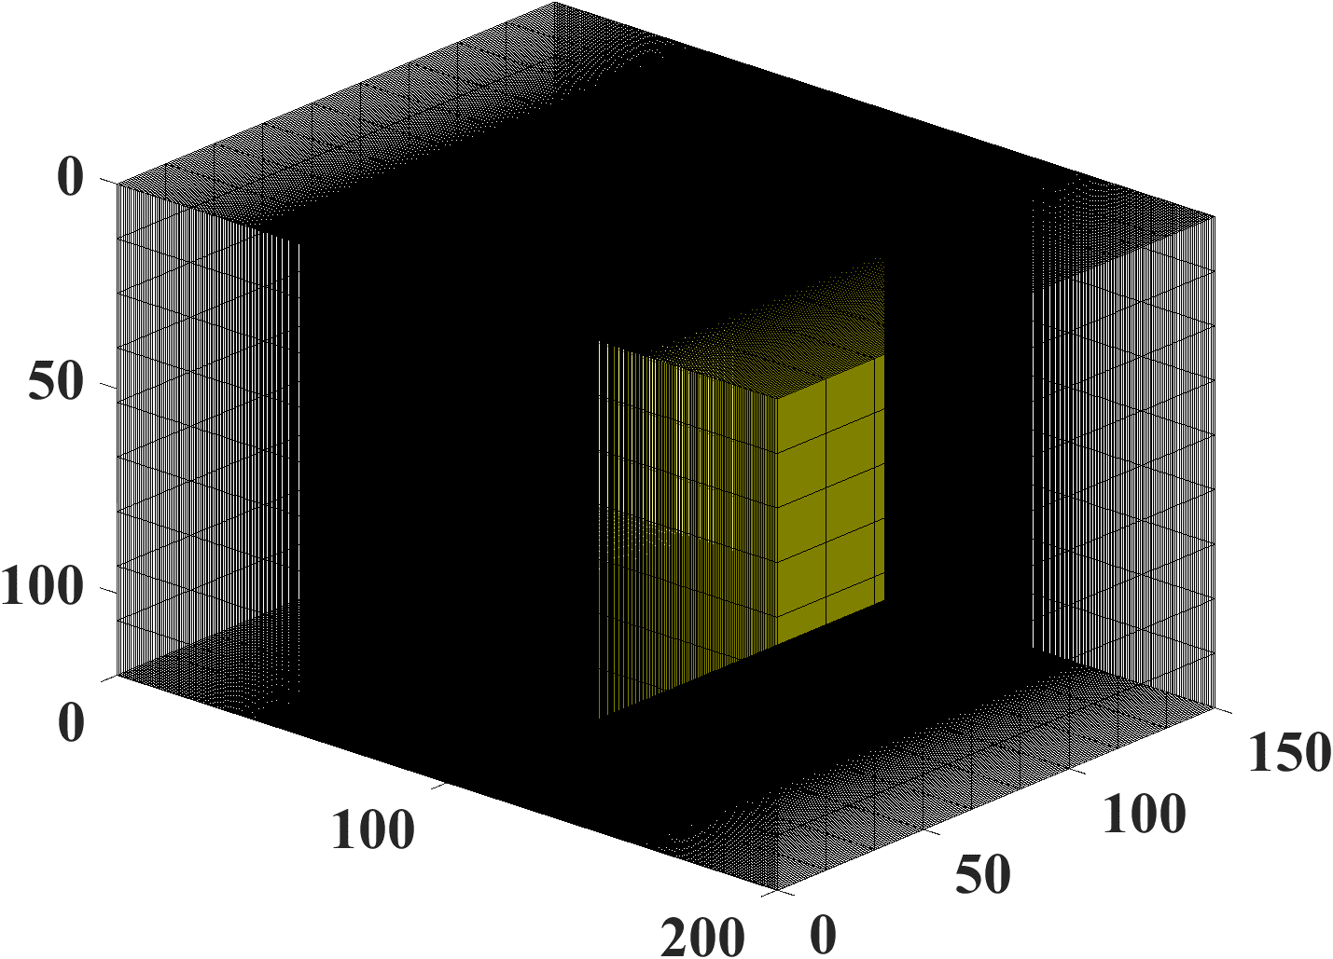
0.027378507871 | 6.75E-15 | 6.75E-15 | 6.75E-15 | 6.75E-15
0.041067761807 | 1.01E-14 | 1.01E-14 | 1.01E-14 | 1.01E-14
0.054757015743 | 1.35E-14 | 1.35E-14 | 1.35E-14 | 1.35E-14
0.068446269678 | 1.69E-14 | 1.69E-14 | 1.69E-14 | 1.69E-14
0.082135523614 | 2.03E-14 | 2.03E-14 | 2.03E-14 | 2.03E-14
0.09582477755 | 2.37E-14 | 2.37E-14 | 2.37E-14 | 2.37E-14
0.10951403149 | 2.71E-14 | 2.71E-14 | 2.71E-14 | 2.71E-14
0.10951653806 | 0.00026711658436 | 0.00026711840489 | 0.017129276805 | 0.01712927621
0.10951904464 | 0.00079397594455 | 0.00079398066183 | 0.049267218003 | 0.049267214679
0.10952405779 | 0.0018082837692 | 0.0018082883798 | 0.10680591978 | 0.10680589094
0.1095340841 | 0.003715230489 | 0.0037152035775 | 0.21230820907 | 0.21230790945
0.10955413672 | 0.0072073376773 | 0.0072071091079 | 0.40250671056 | 0.40250365159
0.10959424196 | 0.013486360759 | 0.013485222225 | 0.72850578185 | 0.72848028991
0.10967445243 | 0.02476591172 | 0.024761343124 | 1.2445121547 | 1.2443619269
0.10983487337 | 0.045302216685 | 0.045285821686 | 1.9843181913 | 1.9837180391
x1024
x64
0.11015571526 | 0.083250540648 | 0.083193831414 | 2.9447100073 | 2.943056848
0.11079739904 | 0.15378555238 | 0.15358191905 | 4.1049612154 | 4.1017199272
0.1120807666 | 0.28363535867 | 0.28282104326 | 5.4781309784 | 5.4735275745
0.11464750171 | 0.51558839244 | 0.51199015577 | 7.1517056882 | 7.1472402872
0.11978097194 | 0.91108928811 | 0.89534634745 | 9.2959393086 | 9.2944745841
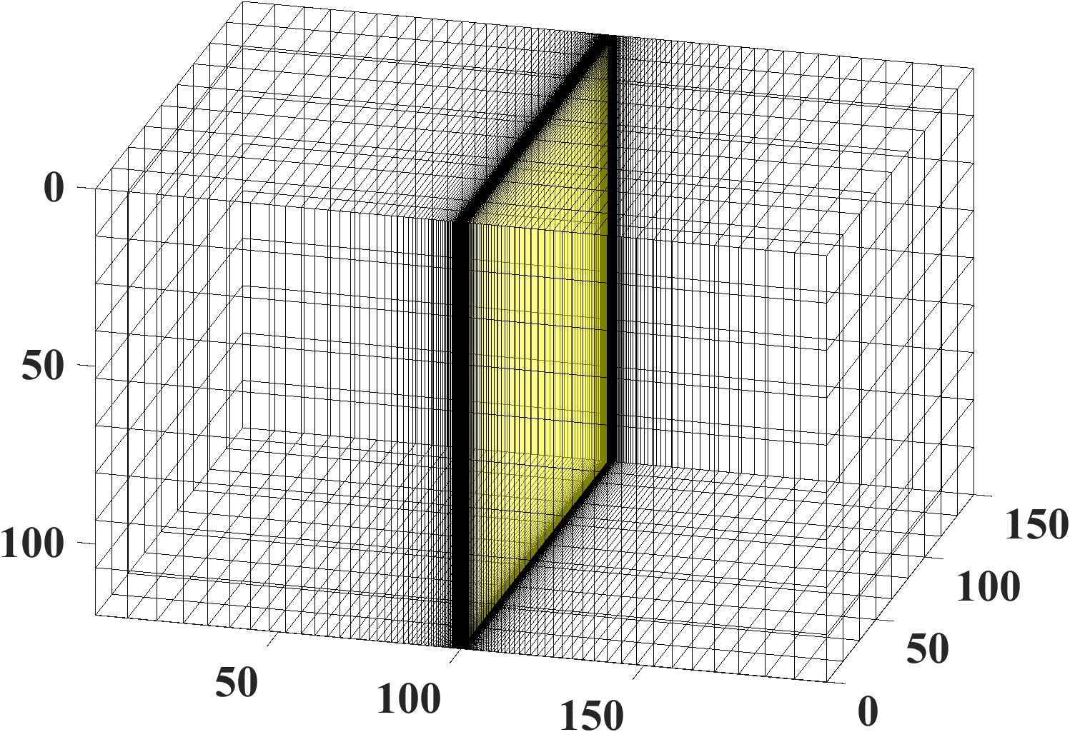
0.13004791239 | 1.5585759944 | 1.4975332639 | 12.160408256 | 12.166147922
0.15058179329 | 2.6193255307 | 2.4201674269 | 16.085456291 | 16.104181593
0.1916495551 | 4.4538315308 | 3.9085884027 | 21.53758468 | 21.577246053
0.27378507871 | 7.8326464615 | 6.5480924103 | 29.166848747 | 29.238475631
0.35592060233 | 11.058059722 | 9.0513688443 | 34.820532436 | 34.917021564
0.43805612594 | 14.181177214 | 11.486219589 | 39.459999031 | 39.577329138
0.52019164956 | 17.214256025 | 13.86517325 | 43.473035653 | 43.608615965
0.60232717317 | 20.163280652 | 16.192126964 | 47.054488092 | 47.206490702
0.68446269678 | 23.032850719 | 18.469495625 | 50.316850947 | 50.483902197
0.7665982204 | 25.827033023 | 20.699347142 | 53.331495528 | 53.512515811
0.84873374401 | 28.549551059 | 22.883592126 | 56.146867249 | 56.340979583
0.93086926762 | 31.203848843 | 25.024022709 | 58.797554335 | 59.004028165
1.0130047912 | 33.793125494 | 27.122326384 | 61.309236527 | 61.527451114
1.0951403149 | 36.320360564 | 29.180095041 | 63.701582081 | 63.931001521
x64
1.1772758385 | 38.788335023 | 31.198832541 | 65.990041179 | 66.230196707
1.2594113621 | 41.199649424 | 33.179961439 | 68.187007807 | 68.437484865
1.3415468857 | 43.556739856 | 35.124829036 | 70.302601404 | 70.563029946
1.4236824093 | 45.861892071 | 37.034712848 | 72.345209663 | 72.615256727
1.5058179329 | 48.117254051 | 38.910825557 | 74.321875815 | 74.601239718
1.5879534565 | 50.324847226 | 40.754319513 | 76.23858148 | 76.526987212
1.6700889802 | 52.486576517 | 42.566290831 | 78.100457495 | 78.397653007
1.7522245038 | 54.604239357 | 44.34778312 | 79.911943894 | 80.217697077
1.8343600274 | 56.679533823 | 46.099790903 | 81.676913251 | 81.991009435
1.916495551 | 58.714065973 | 47.823262742 | 83.398767111 | 83.721006988
1.9986310746 | 60.709356492 | 49.519104103 | 85.080512372 | 85.410710248
2.0807665982 | 62.666846731 | 51.188179994 | 86.724822453 | 87.062804767
2.1629021218 | 64.587904187 | 52.831317391 | 88.334086813 | 88.679690872
2.2450376454 | 66.473827519 | 54.449307483 | 89.910451405 | 90.263524294
2.3271731691 | 68.325851113 | 56.042907731 | 91.455852022 | 91.816249665
2.4093086927 | 70.145149269 | 57.61284379 | 92.972041995 | 93.339628333
2.4914442163 | 71.932840043 | 59.159811281 | 94.460615374 | 94.835261649
2.5735797399 | 73.689988786 | 60.684477439 | 95.923026457 | 96.304610582
2.6557152635 | 75.417611394 | 62.187482639 | 97.360606348 | 97.749012352
2.7378507871 | 77.116677298 | 63.669441828 | 98.774577076 | 99.169694609
2.8199863107 | 78.788112233 | 65.130945849 | 100.1660637 | 100.5677876
2.9021218344 | 80.432800795 | 66.57256268 | 101.53610476 | 101.94433463
2.984257358 | 82.051588818 | 67.994838594 | 102.88566127 | 103.30030117
3.0663928816 | 83.645285567 | 69.398299241 | 104.21562462 | 104.63658273
3.1485284052 | 85.21466579 | 70.783450663 | 105.52682341 | 105.95401173
3.2306639288 | 86.760471613 | 72.150780246 | 106.82002947 | 107.25336358
3.3127994524 | 88.283414311 | 73.500757612 | 108.09596318 | 108.535362
3.394934976 | 89.784175961 | 74.833835454 | 109.35529812 | 109.80068368
3.4770704997 | 91.263410978 | 76.150450334 | 110.59866521 | 111.04996249
3.5592060233 | 92.721747555 | 77.451023414 | 111.82665644 | 112.28379315
3.6413415469 | 94.159789012 | 78.735961165 | 113.0398281 | 113.50273454
3.7234770705 | 95.578115051 | 80.00565602 | 114.23870374 | 114.70731265
3.8056125941 | 96.977282942 | 81.260486998 | 115.42377683 | 115.89802325
3.8877481177 | 98.357828626 | 82.500820296 | 116.59551308 | 117.07533421
3.9698836413 | 99.720267758 | 83.727009838 | 117.75435261 | 118.2396877
4.052019165 | 101.06509668 | 84.939397806 | 118.90071187 | 119.39150211
4.1341546886 | 102.39279336 | 86.138315132 | 120.03498536 | 120.5311738
4.2162902122 | 103.70381822 | 87.324081975 | 121.15754725 | 121.65907867
4.2984257358 | 104.99861498 | 88.497008166 | 122.2687528 | 122.77557363
4.3805612594 | 106.27761143 | 89.657393629 | 123.36893966 | 123.88099794
4.462696783 | 107.54122012 | 90.805528786 | 124.45842911 | 124.97567434
4.5448323066 | 108.78983909 | 91.941694939 | 125.53752707 | 126.05991021
4.6269678303 | 110.02385249 | 93.066164631 | 126.60652521 | 127.13399857
4.7091033539 | 111.24363119 | 94.179201994 | 127.66570178 | 128.19821898
4.7912388775 | 112.44953337 | 95.281063074 | 128.71532248 | 129.25283839
4.8733744011 | 113.64190505 | 96.371996148 | 129.75564128 | 130.29811195
4.9555099247 | 114.82108063 | 97.452242018 | 130.78690108 | 131.33428369
5.0376454483 | 115.98738339 | 98.522034296 | 131.80933438 | 132.36158721
5.1197809719 | 117.1411259 | 99.581599675 | 132.82316393 | 133.38024631
5.2019164956 | 118.28261054 | 100.63115819 | 133.82860325 | 134.39047551
5.2840520192 | 119.41212984 | 101.67092344 | 134.82585718 | 135.39248061
5.3661875428 | 120.52996696 | 102.70110289 | 135.81512238 | 136.38645917
5.4483230664 | 121.636396 | 103.721898 | 136.79658772 | 137.37260099
5.53045859 | 122.7316824 | 104.73350451 | 137.77043479 | 138.35108848
5.6125941136 | 123.81608327 | 105.73611264 | 138.73683821 | 139.32209709
5.6947296372 | 124.88984773 | 106.72990724 | 139.69596605 | 140.28579568
5.7768651608 | 125.9532172 | 107.71506802 | 140.64798015 | 141.24234684
5.8590006845 | 127.00642569 | 108.69176974 | 141.59303642 | 142.19190723
5.9411362081 | 128.04970014 | 109.66018232 | 142.53128518 | 143.13462788
6.0232717317 | 129.08326061 | 110.62047108 | 143.4628714 | 144.07065443
6.1054072553 | 130.10732059 | 111.57279684 | 144.387935 | 145.00012745
6.1875427789 | 131.12208723 | 112.51731611 | 145.30661104 | 145.92318266
6.2696783025 | 132.12776158 | 113.4541812 | 146.21903001 | 146.83995115
6.3518138261 | 133.1245388 | 114.38354041 | 147.125318 | 147.7505596
6.4339493498 | 134.11260839 | 115.30553809 | 148.02559694 | 148.65513052
6.5160848734 | 135.09215439 | 116.22031485 | 148.91998476 | 149.55378239
6.598220397 | 136.06335555 | 117.12800762 | 149.80859558 | 150.44662988
6.6803559206 | 137.02638556 | 118.0287498 | 150.69153989 | 151.33378399
6.7624914442 | 137.98141322 | 118.92267137 | 151.5689247 | 152.21535224
6.8446269678 | 138.92860257 | 119.80989899 | 152.4408537 | 153.0914388
6.9267624914 | 139.86811311 | 120.6905561 | 153.30742739 | 153.96214465
7.0088980151 | 140.80009992 | 121.56476306 | 154.16874323 | 154.82756771
7.0910335387 | 141.72471382 | 122.4326372 | 155.02489574 | 155.68780295
7.1731690623 | 142.64210153 | 123.29429292 | 155.87597668 | 156.54294256
7.2553045859 | 143.55240579 | 124.14984181 | 156.72207508 | 157.39307599
7.3374401095 | 144.45576549 | 124.99939271 | 157.56327744 | 158.23829013
7.4195756331 | 145.35231583 | 125.84305183 | 158.39966774 | 159.07866939
7.5017111567 | 146.24218839 | 126.68092275 | 159.23132762 | 159.91429577
7.5838466804 | 147.12551131 | 127.5131066 | 160.05833644 | 160.74524901
7.665982204 | 148.00240935 | 128.33970206 | 160.88077133 | 161.57160663
7.7481177276 | 148.87300402 | 129.16080546 | 161.69870736 | 162.39344401
7.8302532512 | 149.73741369 | 129.97651086 | 162.51221753 | 163.21083452
7.9123887748 | 150.59575369 | 130.78691008 | 163.32137291 | 164.02384956
7.9945242984 | 151.4481364 | 131.59209281 | 164.12624267 | 164.83255864
8.076659822 | 152.29467132 | 132.39214664 | 164.92689419 | 165.63702944
8.1587953457 | 153.13546521 | 133.18715714 | 165.72339309 | 166.4373279
8.2409308693 | 153.97062215 | 133.97720789 | 166.5158033 | 167.23351825
8.3230663929 | 154.80024362 | 134.76238057 | 167.30418714 | 168.02566311
8.4052019165 | 155.62442856 | 135.542755 | 168.08860536 | 168.81382351
8.4873374401 | 156.44327351 | 136.3184092 | 168.86911719 | 169.59805896
8.5694729637 | 157.2568726 | 137.0894194 | 169.64578041 | 170.37842752
8.6516084873 | 158.06531771 | 137.85586016 | 170.41865139 | 171.15498581
8.733744011 | 158.86869845 | 138.61780436 | 171.18778512 | 171.9277891
8.8158795346 | 159.6671023 | 139.37532326 | 171.9532353 | 172.69689133
8.8980150582 | 160.46061464 | 140.12848656 | 172.71505433 | 173.46234516
8.9801505818 | 161.24931881 | 140.87736241 | 173.47329341 | 174.22420202
9.0622861054 | 162.03329618 | 141.62201752 | 174.22800251 | 174.98251213
9.144421629 | 162.81262619 | 142.36251709 | 174.97923048 | 175.73732457
9.2265571526 | 163.58738644 | 143.09892497 | 175.72702505 | 176.48868727
9.3086926762 | 164.35765271 | 143.8313036 | 176.47143285 | 177.23664711
9.3908281999 | 165.12349902 | 144.5597141 | 177.21249947 | 177.9812499
9.4729637235 | 165.8849977 | 145.28421628 | 177.95026952 | 178.72254043
9.5550992471 | 166.64221942 | 146.00486872 | 178.68478657 | 179.4605625
9.6372347707 | 167.39523321 | 146.72172872 | 179.41609328 | 180.19535897
9.7193702943 | 168.14410658 | 147.43485241 | 180.14423138 | 180.92697176
9.8015058179 | 168.88890549 | 148.14429474 | 180.86924168 | 181.65544188
9.8836413415 | 169.62969441 | 148.85010953 | 181.59116416 | 182.38080948
9.9657768652 | 170.36653641 | 149.55234948 | 182.31003791 | 183.10311387
10.047912389 | 171.09949312 | 150.25106621 | 183.02590124 | 183.82239352
10.130047912 | 171.82862483 | 150.9463103 | 183.73879166 | 184.53868611
10.212183436 | 172.55399051 | 151.63813127 | 184.44874588 | 185.25202855
10.29431896 | 173.27564782 | 152.32657768 | 185.15579989 | 185.96245697
10.376454483 | 173.99365319 | 153.01169709 | 185.85998893 | 186.67000681
10.458590007 | 174.70806181 | 153.69353609 | 186.56134755 | 187.37471275
10.54072553 | 175.41892769 | 154.37214038 | 187.25990961 | 188.07660883
10.622861054 | 176.12630369 | 155.04755473 | 187.95570828 | 188.77572838
10.704996578 | 176.83024154 | 155.71982303 | 188.6487761 | 189.47210408
10.787132101 | 177.53079186 | 156.3889883 | 189.33914497 | 190.16576799
10.869267625 | 178.22800422 | 157.05509273 | 190.02684616 | 190.85675153
10.951403149 | 178.92192714 | 157.71817769 | 190.71191038 | 191.54508555
11.033538672 | 179.61260813 | 158.37828374 | 191.39436771 | 192.23080028
11.115674196 | 180.30009371 | 159.03545067 | 192.07424768 | 192.91392538
11.197809719 | 180.98442944 | 159.68971748 | 192.75157928 | 193.59448999
11.279945243 | 181.66565994 | 160.34112245 | 193.42639094 | 194.27252267
11.362080767 | 182.34382892 | 160.98970314 | 194.09871059 | 194.94805147
11.44421629 | 183.01897919 | 161.63549636 | 194.76856561 | 195.62110392
11.526351814 | 183.69115271 | 162.27853826 | 195.43598292 | 196.29170705
11.608487337 | 184.36039057 | 162.9188643 | 196.10098894 | 196.95988741
11.690622861 | 185.02673306 | 163.55650928 | 196.7636096 | 197.62567107
11.772758385 | 185.69021963 | 164.19150735 | 197.4238704 | 198.28908362
11.854893908 | 186.35088897 | 164.82389204 | 198.08179636 | 198.95015023
11.937029432 | 187.008779 | 165.45369624 | 198.73741207 | 199.6088956
12.019164956 | 187.6639269 | 166.08095225 | 199.39074171 | 200.265344
12.101300479 | 188.3163691 | 166.70569179 | 200.04180902 | 200.9195193
12.183436003 | 188.96614132 | 167.32794598 | 200.69063733 | 201.57144495
12.265571526 | 189.61327862 | 167.9477454 | 201.33724958 | 202.221144
12.34770705 | 190.25781533 | 168.56512006 | 201.98166833 | 202.86863909
12.429842574 | 190.89978516 | 169.18009944 | 202.62391575 | 203.51395251
12.511978097 | 191.53922115 | 169.79271251 | 203.26401363 | 204.15710616
12.594113621 | 192.17615572 | 170.40298768 | 203.90198341 | 204.79812158
12.676249144 | 192.81062067 | 171.01095291 | 204.53784617 | 205.43701995
12.758384668 | 193.44264721 | 171.61663562 | 205.17162266 | 206.07382211
12.840520192 | 194.07226594 | 172.22006279 | 205.80333327 | 206.70854856
12.922655715 | 194.69950691 | 172.82126091 | 206.43299807 | 207.34121945
13.004791239 | 195.32439958 | 173.42025599 | 207.06063681 | 207.97185463
13.086926762 | 195.9469729 | 174.01707362 | 207.68626891 | 208.60047363
13.169062286 | 196.56725527 | 174.61173893 | 208.30991351 | 209.22709564
13.25119781 | 197.18527454 | 175.20427663 | 208.93158941 | 209.8517396
13.333333333 | 197.80105809 | 175.794711 | 209.55131516 | 210.4744241
13.415468857 | 198.41463278 | 176.3830659 | 210.16910897 | 211.09516747
13.497604381 | 199.02602499 | 176.96936481 | 210.78498881 | 211.71398775
13.579739904 | 199.63526061 | 177.55363078 | 211.39897235 | 212.33090271
13.661875428 | 200.24236508 | 178.1358865 | 212.01107701 | 212.94592983
13.744010951 | 200.84736338 | 178.71615426 | 212.62131992 | 213.55908633
13.826146475 | 201.45028002 | 179.29445599 | 213.22971797 | 214.17038918
13.908281999 | 202.05113912 | 179.87081325 | 213.83628778 | 214.7798551
13.990417522 | 202.64996434 | 180.44524725 | 214.44104575 | 215.38750053
14.072553046 | 203.24677893 | 181.01777885 | 215.044008 | 215.99334169
14.154688569 | 203.84160574 | 181.58842856 | 215.64519044 | 216.59739457
14.236824093 | 204.43446721 | 182.15721656 | 216.24460873 | 217.19967489
14.318959617 | 205.0253854 | 182.72416269 | 216.84227832 | 217.80019818
14.40109514 | 205.61438199 | 183.2892865 | 217.43821442 | 218.39897971
14.483230664 | 206.20147827 | 183.85260719 | 218.03243201 | 218.99603457
14.565366188 | 206.78669518 | 184.41414368 | 218.6249459 | 219.59137759
14.647501711 | 207.3700533 | 184.97391455 | 219.21577063 | 220.18502341
14.729637235 | 207.95157285 | 185.53193813 | 219.80492059 | 220.77698647
14.811772758 | 208.53127373 | 186.08823242 | 220.39240992 | 221.367281
14.893908282 | 209.10917549 | 186.64281515 | 220.97825259 | 221.95592102
14.976043806 | 209.68529734 | 187.19570379 | 221.56246236 | 222.54292037
15.058179329 | 210.25965818 | 187.74691551 | 222.14505252 | 223.12829269
15.109206023 | 210.61560008 | 188.08851771 | 222.50617615 | 223.49114089

How to Model MS Diffusion
Simulation Domain: one vertical HF (yellow cells).
Reservoir: primary gas system
Diffuion Coefficient: Maxwell-Stefan (MS) [static implementation]
Diffusion Model: Dusty-Gas Model
 | Qgs (MMscf)
Time (years) | OMO | Hassan
0.00010694729637 | 0 | 0
0.00021389459274 | 2.65E-17 | 2.65E-17
0.00042778918549 | 7.94E-17 | 7.94E-17
0.00085557837098 | 1.85E-16 | 1.85E-16
0.001711156742 | 3.97E-16 | 3.97E-16
0.0034223134839 | 8.20E-16 | 8.20E-16
Simulation Domain for Comparison (Explicit Model)
0.0068446269678 | 1.67E-15 | 1.67E-15
0.013689253936 | 3.36E-15 | 3.36E-15
0.027378507871 | 6.75E-15 | 6.75E-15
0.041067761807 | 1.01E-14 | 1.01E-14
0.054757015743 | 1.35E-14 | 1.35E-14
0.068446269678 | 1.69E-14 | 1.69E-14
0.082135523614 | 2.03E-14 | 2.03E-14
0.09582477755 | 2.37E-14 | 2.37E-14
0.10951403149 | 2.71E-14 | 2.71E-14
0.10951653806 | 0.01712927621 | 0.017127835978
0.10951904464 | 0.049267214679 | 0.04926185418
0.10952405779 | 0.10680589094 | 0.10678721947
0.1095340841 | 0.21230790945 | 0.21224234432
0.10955413672 | 0.40250365159 | 0.40226415762
0.10959424196 | 0.72848028991 | 0.72763868685
0.10967445243 | 1.2443619269 | 1.241819488
0.10983487337 | 1.9837180391 | 1.9774953359
0.11015571526 | 2.943056848 | 2.9307389584
x64
0.11079739904 | 4.1017199272 | 4.0813064931
0.1120807666 | 5.4735275745 | 5.4437590085
0.11464750171 | 7.1472402872 | 7.1072664414
0.11978097194 | 9.2944745841 | 9.2434709784
0.13004791239 | 12.166147922 | 12.103103153
0.15058179329 | 16.104181593 | 16.027798323
0.1916495551 | 21.577246053 | 21.48592324
0.27378507871 | 29.238475631 | 29.130303785
0.35592060233 | 34.917021564 | 34.798583139
0.43805612594 | 39.577329138 | 39.451516191
0.52019164956 | 43.608615965 | 43.47699016
0.60232717317 | 47.206490702 | 47.070021493
0.68446269678 | 50.483902197 | 50.343250103
0.7665982204 | 53.512515811 | 53.368160917
0.84873374401 | 56.340979583 | 56.193287591
0.93086926762 | 59.004028165 | 58.853287682
1.0130047912 | 61.527451114 | 61.373896264
1.0951403149 | 63.931001521 | 63.774826458
1.1772758385 | 66.230196707 | 66.071565353
1.2594113621 | 68.437484865 | 68.276537697
1.3415468857 | 70.563029946 | 70.399888875
1.4236824093 | 72.615256727 | 72.450028688
1.5058179329 | 74.601239718 | 74.434019387
1.5879534565 | 76.526987212 | 76.35785909
1.6700889802 | 78.397653007 | 78.226693052
1.7522245038 | 80.217697077 | 80.044973996
1.8343600274 | 81.991009435 | 81.816585729
1.916495551 | 83.721006988 | 83.544939799
1.9986310746 | 85.410710248 | 85.233052054
2.0807665982 | 87.062804767 | 86.883603962
2.1629021218 | 88.679690872 | 88.498992252
2.2450376454 | 90.263524294 | 90.081369468
2.3271731691 | 91.816249665 | 91.6326774
2.4093086927 | 93.339628333 | 93.154674855
2.4914442163 | 94.835261649 | 94.648960902
2.5735797399 | 96.304610582 | 96.116994446
2.6557152635 | 97.749012352 | 97.56011084
2.7378507871 | 99.169694609 | 98.979536036
2.8199863107 | 100.5677876 | 100.37639873
2.9021218344 | 101.94433463 | 101.75174082
2.984257358 | 103.30030117 | 103.10652647
3.0663928816 | 104.63658273 | 104.44164999
3.1485284052 | 105.95401173 | 105.75794271
3.2306639288 | 107.25336358 | 107.05617902
3.3127994524 | 108.535362 | 108.33708169
3.394934976 | 109.80068368 | 109.60132653
3.4770704997 | 111.04996249 | 110.8495466
3.5592060233 | 112.28379315 | 112.08233587
3.6413415469 | 113.50273454 | 113.30025249
3.7234770705 | 114.70731265 | 114.50382181
3.8056125941 | 115.89802325 | 115.69353895
3.8877481177 | 117.07533421 | 116.86987122
3.9698836413 | 118.2396877 | 118.03326024
4.052019165 | 119.39150211 | 119.18412388
4.1341546886 | 120.5311738 | 120.322858
4.2162902122 | 121.65907867 | 121.44983806
4.2984257358 | 122.77557363 | 122.56542054
4.3805612594 | 123.88099794 | 123.66994427
4.462696783 | 124.97567434 | 124.76373161
4.5448323066 | 126.05991021 | 125.84708958
4.6269678303 | 127.13399857 | 126.92031084
4.7091033539 | 128.19821898 | 127.98367462
4.7912388775 | 129.25283839 | 129.03744757
4.8733744011 | 130.29811195 | 130.08188451
4.9555099247 | 131.33428369 | 131.11722921
5.0376454483 | 132.36158721 | 132.143715
5.1197809719 | 133.38024631 | 133.16156539
5.2019164956 | 134.39047551 | 134.17099467
5.2840520192 | 135.39248061 | 135.17220841
5.3661875428 | 136.38645917 | 136.16540394
5.4483230664 | 137.37260099 | 137.15077082
5.53045859 | 138.35108848 | 138.12849127
5.6125941136 | 139.32209709 | 139.09874054
5.6947296372 | 140.28579568 | 140.0616873
5.7768651608 | 141.24234684 | 141.01749395
5.8590006845 | 142.19190723 | 141.96631698
5.9411362081 | 143.13462788 | 142.90830724
6.0232717317 | 144.07065443 | 143.84361021
6.1054072553 | 145.00012745 | 144.77236631
6.1875427789 | 145.92318266 | 145.6947111
6.2696783025 | 146.83995115 | 146.61077553
6.3518138261 | 147.7505596 | 147.52068614
6.4339493498 | 148.65513052 | 148.42456529
6.5160848734 | 149.55378239 | 149.32253135
6.598220397 | 150.44662988 | 150.21469885
6.6803559206 | 151.33378399 | 151.10117867
6.7624914442 | 152.21535224 | 151.98207822
6.8446269678 | 153.0914388 | 152.85750155
6.9267624914 | 153.96214465 | 153.72754953
7.0088980151 | 154.82756771 | 154.59231997
7.0910335387 | 155.68780295 | 155.45190775
7.1731690623 | 156.54294256 | 156.30640494
7.2553045859 | 157.39307599 | 157.15590091
7.3374401095 | 158.23829013 | 158.00048245
7.4195756331 | 159.07866939 | 158.84023388
7.5017111567 | 159.91429577 | 159.67523713
7.5838466804 | 160.74524901 | 160.50557182
7.665982204 | 161.57160663 | 161.33131539
7.7481177276 | 162.39344401 | 162.15254317
7.8302532512 | 163.21083452 | 162.96932844
7.9123887748 | 164.02384956 | 163.78174252
7.9945242984 | 164.83255864 | 164.58985483
8.076659822 | 165.63702944 | 165.39373301
8.1587953457 | 166.4373279 | 166.1934429
8.2409308693 | 167.23351825 | 166.98904869
8.3230663929 | 168.02566311 | 167.78061291
8.4052019165 | 168.81382351 | 168.56819654
8.4873374401 | 169.59805896 | 169.35185902
8.5694729637 | 170.37842752 | 170.13165836
8.6516084873 | 171.15498581 | 170.90765111
8.733744011 | 171.9277891 | 171.67989249
8.8158795346 | 172.69689133 | 172.44843638
8.8980150582 | 173.46234516 | 173.21333538
8.9801505818 | 174.22420202 | 173.97464087
9.0622861054 | 174.98251213 | 174.73240303
9.144421629 | 175.73732457 | 175.48667086
9.2265571526 | 176.48868727 | 176.23749228
9.3086926762 | 177.23664711 | 176.98491409
9.3908281999 | 177.9812499 | 177.72898207
9.4729637235 | 178.72254043 | 178.46974095
9.5550992471 | 179.4605625 | 179.2072345
9.6372347707 | 180.19535897 | 179.94150552
9.7193702943 | 180.92697176 | 180.67259589
9.8015058179 | 181.65544188 | 181.40054659
9.8836413415 | 182.38080948 | 182.12539773
9.9657768652 | 183.10311387 | 182.84718856
10.047912389 | 183.82239352 | 183.56595753
10.130047912 | 184.53868611 | 184.28174227
10.212183436 | 185.25202855 | 184.99457966
10.29431896 | 185.96245697 | 185.70450579
10.376454483 | 186.67000681 | 186.41155605
10.458590007 | 187.37471275 | 187.11576512
10.54072553 | 188.07660883 | 187.81716698
10.622861054 | 188.77572838 | 188.51579492
10.704996578 | 189.47210408 | 189.2116816
10.787132101 | 190.16576799 | 189.90485905
10.869267625 | 190.85675153 | 190.59535866
10.951403149 | 191.54508555 | 191.28321123
11.033538672 | 192.23080028 | 191.96844697
11.115674196 | 192.91392538 | 192.65109553
11.197809719 | 193.59448999 | 193.33118599
11.279945243 | 194.27252267 | 194.00874689
11.362080767 | 194.94805147 | 194.68380626
11.44421629 | 195.62110392 | 195.3563916
11.526351814 | 196.29170705 | 196.02652992
11.608487337 | 196.95988741 | 196.69424773
11.690622861 | 197.62567107 | 197.35957107
11.772758385 | 198.28908362 | 198.02252553
11.854893908 | 198.95015023 | 198.68313623
11.937029432 | 199.6088956 | 199.34142785
12.019164956 | 200.265344 | 199.99742465
12.101300479 | 200.9195193 | 200.65115046
12.183436003 | 201.57144495 | 201.30262871
12.265571526 | 202.221144 | 201.95188243
12.34770705 | 202.86863909 | 202.59893425
12.429842574 | 203.51395251 | 203.24380642
12.511978097 | 204.15710616 | 203.88652082
12.594113621 | 204.79812158 | 204.52709897
12.676249144 | 205.43701995 | 205.16556204
12.758384668 | 206.07382211 | 205.80193084
12.840520192 | 206.70854856 | 206.43622585
12.922655715 | 207.34121945 | 207.0684672
13.004791239 | 207.97185463 | 207.69867473
13.086926762 | 208.60047363 | 208.32686793
13.169062286 | 209.22709564 | 208.953066
13.25119781 | 209.8517396 | 209.57728783
13.333333333 | 210.4744241 | 210.19955201
13.415468857 | 211.09516747 | 210.81987686
13.497604381 | 211.71398775 | 211.43828038
13.579739904 | 212.33090271 | 212.05478034
13.661875428 | 212.94592983 | 212.66939419
13.744010951 | 213.55908633 | 213.28213915
13.826146475 | 214.17038918 | 213.89303217
13.908281999 | 214.7798551 | 214.50208993
13.990417522 | 215.38750053 | 215.10932888
14.072553046 | 215.99334169 | 215.71476522
14.154688569 | 216.59739457 | 216.31841491
14.236824093 | 217.19967489 | 216.92029368
14.318959617 | 217.80019818 | 217.52041702
14.40109514 | 218.39897971 | 218.1188002
14.483230664 | 218.99603457 | 218.71545828
14.565366188 | 219.59137759 | 219.3104061
14.647501711 | 220.18502341 | 219.90365827
14.729637235 | 220.77698647 | 220.49522921
14.811772758 | 221.367281 | 221.08513315
14.893908282 | 221.95592102 | 221.67338409
14.976043806 | 222.54292037 | 222.25999586
15.058179329 | 223.12829269 | 222.84498208
15.109206023 | 223.49114089 | 223.20759116

